Ticket process
Process Model - Incident Management

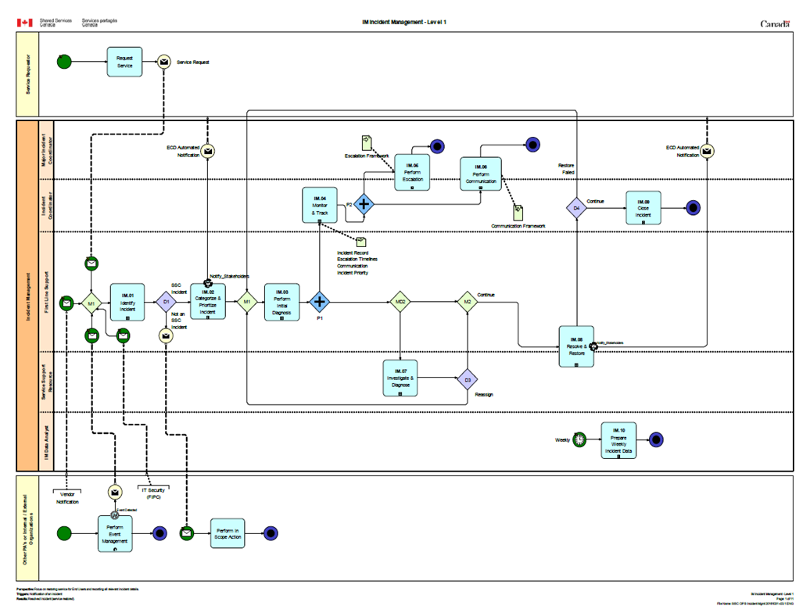

From L2 IM Process Description, downloaded Dec. 21, 2021: | Document Overview: L2 IM Process Description.docx (gcdocs.gc.ca)

